Contents


Supplementary tables for Australia's health 2018
https://www.aihw.gov.au/reports/australias-health/australias-health-2018

3.2 Leading causes of death

Table S3.2.1: Leading causes of death, by sex, 2016
Table S3.2.2: Leading causes of death (deaths, proportion %), by age group, 2014–2016
Table S3.2.3: Leading causes of death, by sex, 2006 and 2016

Table S3.2.1 (Figure 3.2.1)
Table S3.2.1: Leading causes of death, by sex, 2016
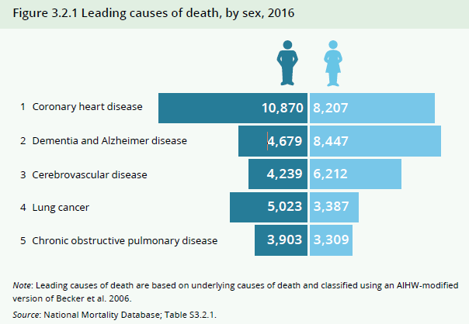
Rank | Leading causes of death | Males | Females
1 | Coronary heart disease | 10,870 | 8,207
2 | Dementia and Alzheimer disease | 4,679 | 8,447
3 | Cerebrovascular disease | 4,239 | 6,212
4 | Lung cancer | 5,023 | 3,387
5 | COPD | 3,903 | 3,309
 | Total | 81,867 | 76,637

Note: Leading causes of death are based on underlying causes of death and classified using an AIHW-modified version of Becker et al. 2006.
Source: AIHW National Mortality Database.

Table S3.2.2 (Figure 3.2.2)
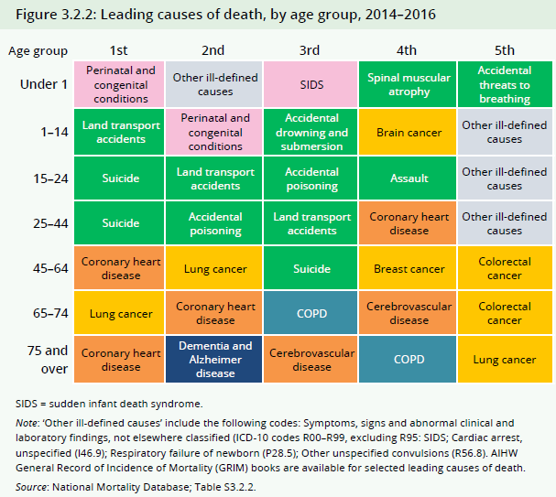
Table S3.2.2: Leading causes of death (deaths, proportion %), by age group, 2014–2016

Age group (years) | 1st | 2nd | 3rd | 4th | 5th
Under 1 | Perinatal and congenital conditions (2,295; 77.2%) | Other ill-defined causes (228; 7.7%) | SIDS (93; 3.1%) | Spinal muscular atrophy (26; 0.9%) | Accidental threats to breathing (23; 0.8%)
1–14 | Land transport accidents (157; 11.5%) | Perinatal and congenital conditions (117; 8.6%) | Accidental drowning and submersion (94; 6.9%) | Brain cancer (92; 6.7%) | Other ill-defined causes (70; 5.1%)
15–24 | Suicide (1,160; 34.3%) | Land transport accidents (721; 21.3%) | Accidental poisoning (170; 5.0%) | Assault (89; 2.6%) | Other ill-defined causes (75; 2.2%)
25–44 | Suicide (3,374; 20.6%) | Accidental poisoning (1,904; 11.6%) | Land transport accidents (1,243; 7.6%) | Coronary heart disease (825; 5.0%) | Other ill-defined causes (502; 3.1%)
45–64 | Coronary heart disease (6,556; 10.4%) | Lung cancer (5,622; 8.9%) | Suicide (2,856; 4.5%) | Breast cancer (2,784; 4.4%) | Colorectal cancer (2,754; 4.4%)
65–74 | Lung cancer (7,812; 10.7%) | Coronary heart disease (7,676; 10.5%) | COPD (4,490; 6.1%) | Cerebrovascular disease (3,034; 4.2%) | Colorectal cancer (2,966; 4.1%)
75 and over | Coronary heart disease (43,968; 14.1%) | Dementia and Alzheimer disease (35,601; 11.4%) | Cerebrovascular disease (26,776; 8.6%) | COPD (15,035; 4.8%) | Lung cancer (11,558; 3.7%)

COPD = chronic obstructive pulmonary disease; SIDS = sudden infant death syndrome.
Note: ‘Other ill-defined causes’ include the following codes: Symptoms, signs and abnormal clinical and laboratory findings, not elsewhere classified (ICD-10 codes R00–R99, excluding R95: Sudden infant death syndrome (SIDS); Cardiac arrest, unspecified (I46.9); Respiratory failure of newborn (P28.5); Other unspecified convulsions (R56.8). AIHW General Record of Incidence of Mortality (GRIM) books are available for selected leading causes of death.
Source: AIHW National Mortality Database.

Table S3.2.3 (Figure 3.2.3)
Table S3.2.3: Leading causes of death, by sex, 2006 and 2016

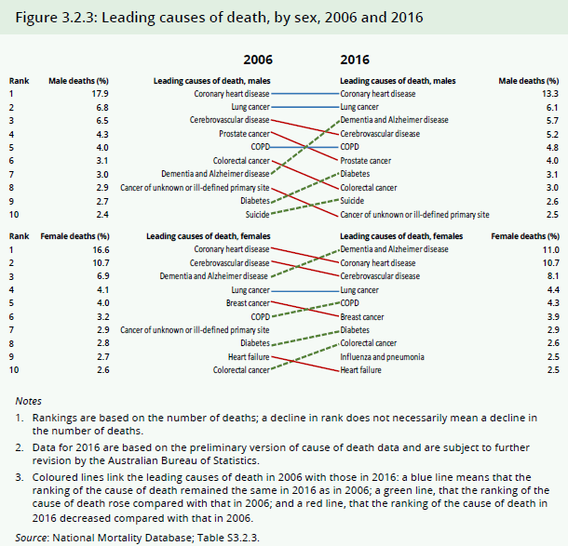
Males
 | 2006 |  |  | 2016
Rank | Leading causes of death | Deaths | Male deaths (%) | Leading causes of death | Deaths | Male deaths (%)
1 | Coronary heart disease | 12,286 | 17.9 | Coronary heart disease | 10,870 | 13.3
2 | Lung cancer | 4,668 | 6.8 | Lung cancer | 5,023 | 6.1
3 | Cerebrovascular disease | 4,483 | 6.5 | Dementia and Alzheimer disease | 4,679 | 5.7
4 | Prostate cancer | 2,951 | 4.3 | Cerebrovascular disease | 4,239 | 5.2
5 | COPD | 2,731 | 4.0 | COPD | 3,903 | 4.8
6 | Colorectal cancer | 2,146 | 3.1 | Prostate cancer | 3,248 | 4.0
7 | Dementia and Alzheimer disease | 2,076 | 3.0 | Diabetes | 2,578 | 3.1
8 | Cancer of unknown or ill-defined primary site | 1,989 | 2.9 | Colorectal cancer | 2,450 | 3.0
9 | Diabetes | 1,830 | 2.7 | Suicide | 2,149 | 2.6
10 | Suicide | 1,624 | 2.4 | Cancer of unknown or ill-defined primary site | 2,039 | 2.5

Females
 | 2006 |  |  | 2016
Rank | Leading causes of death | Deaths | Female deaths (%) | Leading causes of death | Deaths | Female deaths (%)
1 | Coronary heart disease | 10,846 | 16.6 | Dementia and Alzheimer disease | 8,447 | 11.0
2 | Cerebrovascular disease | 6,996 | 10.7 | Coronary heart disease | 8,207 | 10.7
3 | Dementia and Alzheimer disease | 4,474 | 6.9 | Cerebrovascular disease | 6,212 | 8.1
4 | Lung cancer | 2,685 | 4.1 | Lung cancer | 3,387 | 4.4
5 | Breast cancer | 2,617 | 4.0 | COPD | 3,309 | 4.3
6 | COPD | 2,095 | 3.2 | Breast cancer | 2,976 | 3.9
7 | Cancer of unknown or ill-defined primary site | 1,917 | 2.9 | Diabetes | 2,192 | 2.9
8 | Diabetes | 1,839 | 2.8 | Colorectal cancer | 1,963 | 2.6
9 | Heart failure | 1,783 | 2.7 | Influenza and pneumonia | 1,912 | 2.5
10 | Colorectal cancer | 1,711 | 2.6 | Heart failure | 1,887 | 2.5

Notes
1. Rankings are based on the number of deaths; a decline in rank does not necessarily mean a decline in the number of deaths. For females, cancer of unknown or ill-defined primary site moved out of the 10 leading causes of death after 2006, while influenza and pneumonia moved into the 10 leading causes in 2016.
2. Data for 2016 are based on the preliminary version of cause of death data and are subject to further revision by the Australian Bureau of Statistics.
3. Coloured lines link the leading causes of death in 2006 with those in 2016: a red line means that the ranking of the cause of death remained the same in 2016 as in 2006; a green line, that the ranking of the cause of death rose compared with that in 2006; and a blue line, that the ranking of the cause of death in 2016 decreased compared with that in 2006.
Source: AIHW National Mortality Database.

